Sheet1
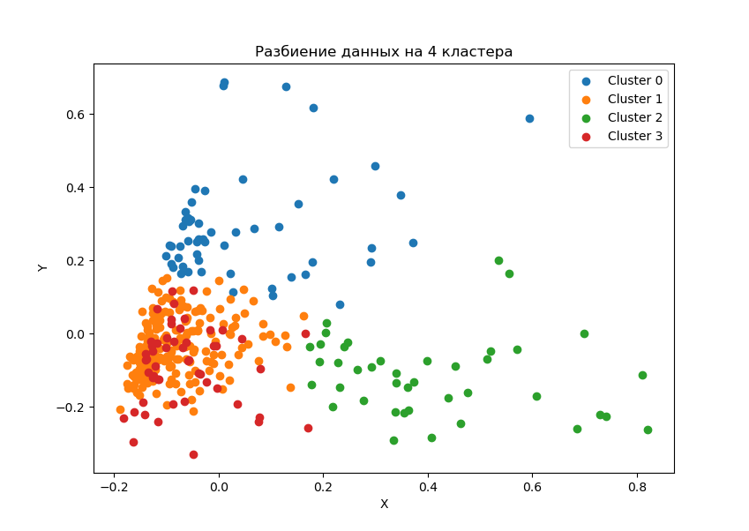
clust | VDS_r | ITcosts_r | skvozcosts_r | trainingcosts_r
0 | 363044.32197 | 0.84% | 0.25% | 0.27%
0 | 2047463.6295 | 0.97% | 0.57% | 0.29%
1 | 248270.64596 | 0.88% | 0.20% | 0.10%
1 | 1193678.208 | 0.90% | 0.26% | 0.10%
2 | 541783.99435 | 1.09% | 1.94% | 0.11%
2 | 2417765.9401 | 1.10% | 1.65% | 0.12%
3 | 338593.67244 | 1.68% | 0.18% | 0.11%
3 | 1654569.1515 | 1.77% | 0.32% | 0.12%

clust | factoriescap_s | ITcosts_s | skvozcosts_s | trainingcosts_s
0
0 | 5.64 | 16% | 127% | 11%
1
1 | 4.81 | 2% | 30% | 0%
2
2 | 4.46 | 1% | -15% | 3%
3
3 | 4.89 | 6% | 76% | 12%

clust | VDS_r | ITcosts_r | skvozcosts_r | trainingcosts_r
0 | 804373.26792 | 0.86% | 0.19% | 0.26%
1 | 465105.39129 | 0.91% | 0.16% | 0.10%
2 | 860351.525 | 1.06% | 1.73% | 0.11%
3 | 528837.8682 | 1.52% | 0.15% | 0.11%

